Sheet1
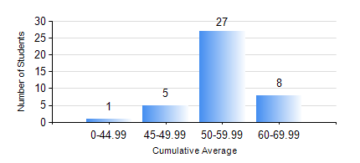
 |  |  | KWAME NKRUMAH UNIVERSITY OF SCIENCE AND TECHNOLOGY, KUMASI Department of Mechanical Engineering

 |  |  | BSC. AUTOMOBILE ENG.

 |  |  | COMPREHENSIVE RECORD OF EXAMINATION RESULTS

 |  |  | RESULTS OF YEAR 1 SECOND SEMESTER, 2018/2019 ACADEMIC YEAR

 | Sn | Course Code |  | Course Name | Credit Hours | Min. Mark | Max. Mark | Avg. Mark | Std. Dev. | No. Passed | No. Trailed | No. (Df) | No. (I) | No. (I*) | No. Tagged(I,I*,Df) | Total
 | 1. | EE 152 |  | BASIC ELECTRONICS | 2 | 42 | 79 | 58 | 8.58 | 41 | 0 | 0 | 0 | 0 | 0 | 41
 | 2. | ENGL 158 |  | COMMUNICATION SKILLS II | 2 | 40 | 77 | 61 | 8.39 | 41 | 0 | 0 | 0 | 0 | 0 | 41
 | 3. | MATH 152 |  | CALCULUS WITH ANALYSIS | 4 | 44 | 74 | 57 | 7.1 | 41 | 0 | 0 | 0 | 0 | 0 | 41
 | 4. | ME 160 |  | ENGINEERING DRAWING | 3 | 43 | 74 | 55 | 7.43 | 41 | 0 | 0 | 0 | 0 | 0 | 41
 | 5. | ME 164 |  | STATICS OF SOLID MECHANICS | 2 | 23 | 78 | 47 | 12.29 | 34 | 7 | 0 | 0 | 0 | 0 | 41
 | 6. | ME 172 |  | MEASUREMENT AND INSTRUMENTATION | 2 | 43 | 78 | 60 | 9.08 | 41 | 0 | 0 | 0 | 0 | 0 | 41
 | 7. | ME 266 |  | THERMODYNAMICS | 2 | 40 | 68 | 50 | 8.16 | 41 | 0 | 0 | 0 | 0 | 0 | 41

